Executive Summary
SCENARIO COMPARISON — EXECUTIVE SUMMARY
IPCC 2021 GWP100 | FU: 1 kgCO₂ captured at gate | Kenya | 100 tCO₂/yr | 10 yr lifetime

HEADLINE RESULTS
Scenario | Total GWP100 (kgCO₂eq/kgCO₂) | Threshold | Net Removal Efficiency (%) | Net Status | Condition | Reduction vs S1 (%) | Electricity Source | Steam Source
S1: Grid + Boiler | 4.8342 | 1 | 0.0 | NET EMITTER ✗ | Base | 0.0 | Kenya Grid | Electric Boiler
S2: Grid + Geo Steam | 2.0912 | 1 | 0.0 | NET EMITTER ✗ | Base | 56.74 | Kenya Grid | Geothermal
S3: Geo Elec + Geo Steam | 1.9383 | 1 | 0.0 | NET EMITTER ✗ | Base | 59.90 | Geothermal | Geothermal
S4: Opt Grid + Boiler | 1.2264 | 1 | 0.0 | NET EMITTER ✗ | Optimized | 74.63 | Kenya Grid | Electric Boiler
S5: Opt Grid + Geo Steam | 0.6589 | 1 | 34.1 | NET NEGATIVE ✓ | Optimized | 86.37 | Kenya Grid | Geothermal
S6: Opt Geo + Geo Steam | 0.6518 | 1 | 34.8 | NET NEGATIVE ✓ | Optimized | 86.52 | Geothermal | Geothermal

Total GWP100 by Scenario

Scenario | Net Efficiency (%)
S1 | 0.0
S2 | 0.0
S3 | 0.0
S4 | 0.0
S5 | 34.1
S6 | 34.8

Net Carbon Removal Efficiency By Scenario

KEY FINDINGS
1. Only S5 and S6 achieve net-negative carbon removal (total GWP < 1.0 kgCO₂eq/kgCO₂ captured).
2. Switching from electric boiler to geothermal steam reduces emissions by 47–48%.
3. Process optimization (reduced electricity and steam demand) cuts emissions by a further 56–66%.
4. Best scenario (S6) achieves 0.652 kgCO₂eq/kgCO₂ — meaning 35% net removal efficiency.
5. Steam supply is the dominant emission source (42–70% of total depending on scenario).
6. Embodied emissions (0.217 kgCO₂eq/kgCO₂) are fixed.

Contribution Breakdown
FIRST-TIER CONTRIBUTION BREAKDOWN
What drives emissions in each scenario? | Units: kgCO₂eq per kgCO₂ captured

ABSOLUTE CONTRIBUTIONS (kgCO₂eq / kgCO₂)
Component | S1 | S2 | S3 | S4 | S5 | S6
Steam Supply | 4.0532 | 1.3101 | 1.3101 | 0.8386 | 0.2711 | 0.2711
Electricity | 0.4122 | 0.4122 | 0.2593 | 0.0189 | 0.0189 | 0.0119
Facility Embodied | 0.2167 | 0.2167 | 0.2167 | 0.2167 | 0.2167 | 0.2167
Methanol | 0.0834 | 0.0834 | 0.0834 | 0.0834 | 0.0834 | 0.0834
PEI Sorbent | 0.0688 | 0.0688 | 0.0688 | 0.0688 | 0.0688 | 0.0688
TOTAL | 4.8343 | 2.0912 | 1.9383 | 1.2264 | 0.6589 | 0.6519

GWP100 Breakdown by Component

RELATIVE SHARE (%)
Component | S1 | S2 | S3 | S4 | S5 | S6
Steam Supply | 70.2% | 43.3% | 67.6% | 66.1% | 38.6% | 41.6%
Electricity | 23.4% | 44.6% | 13.4% | 4.9% | 8.8% | 1.8%
Facility Embodied | 3.8% | 7.2% | 11.2% | 17.1% | 30.9% | 33.2%
Methanol | 1.4% | 2.8% | 4.3% | 6.6% | 11.9% | 12.8%
PEI Sorbent | 1.2% | 2.3% | 3.5% | 5.4% | 9.8% | 10.6%

S6 Component | kgCO₂eq/kgCO₂
Steam Supply | 0.2711
Electricity | 0.0119
Embodied | 0.2167
Methanol | 0.0834
PEI | 0.0688

S6 (Best Scenario) — Contribution Share

HOW TO READ THIS
• Steam Supply = emissions from generating 29 kg steam per kgCO₂ (electric boiler or geothermal well).
• Electricity = emissions from 30 kWh/kgCO₂ electrical demand (Kenya grid or geothermal).
• Facility Embodied = amortized construction emissions (steel, containers, equipment) over 10yr/1000t lifetime.
• Methanol = upstream emissions from producing methanol used as wash solvent (82.71 kg/batch).
• PEI Sorbent = upstream emissions from manufacturing PEI reload material (22.29 kg every 1.5 yr).
• Key insight: when fossil energy is removed, embodied + consumables become the dominant contributors.

Sankey Diagrams
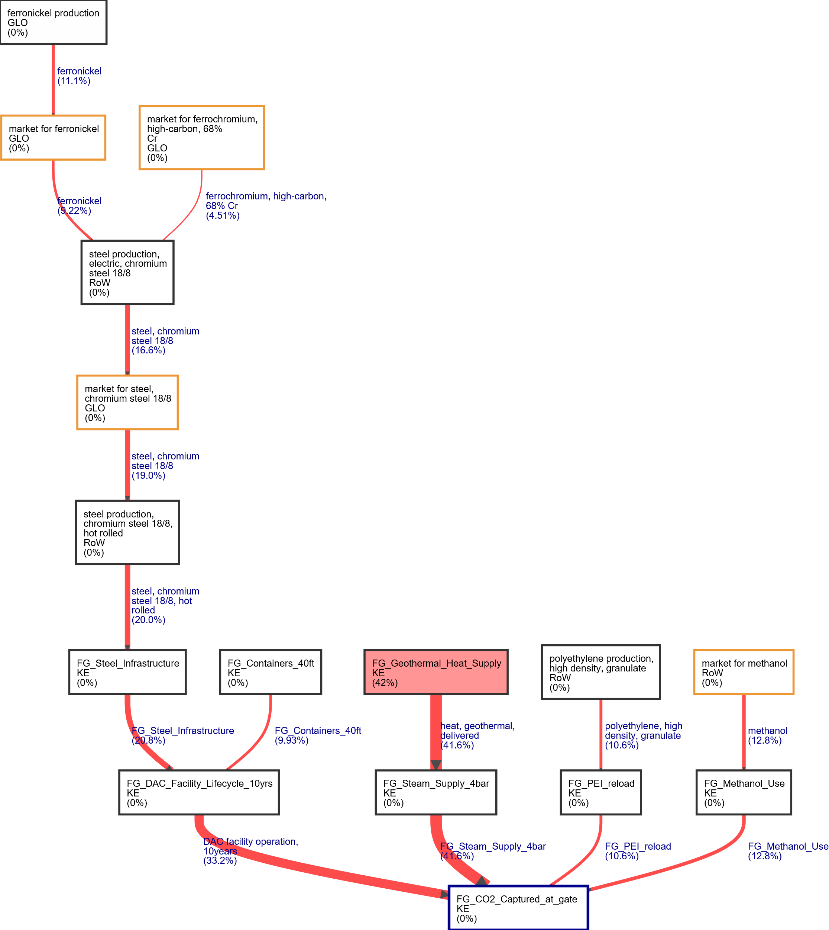
PROCESS FLOW SANKEY DIAGRAMS (from Activity Browser)
These diagrams show the contribution of each upstream process to the total GWP. Line thickness and percentage labels indicate relative contribution. Generated in Activity Browser.

S1: Grid Elec + Boiler Steam
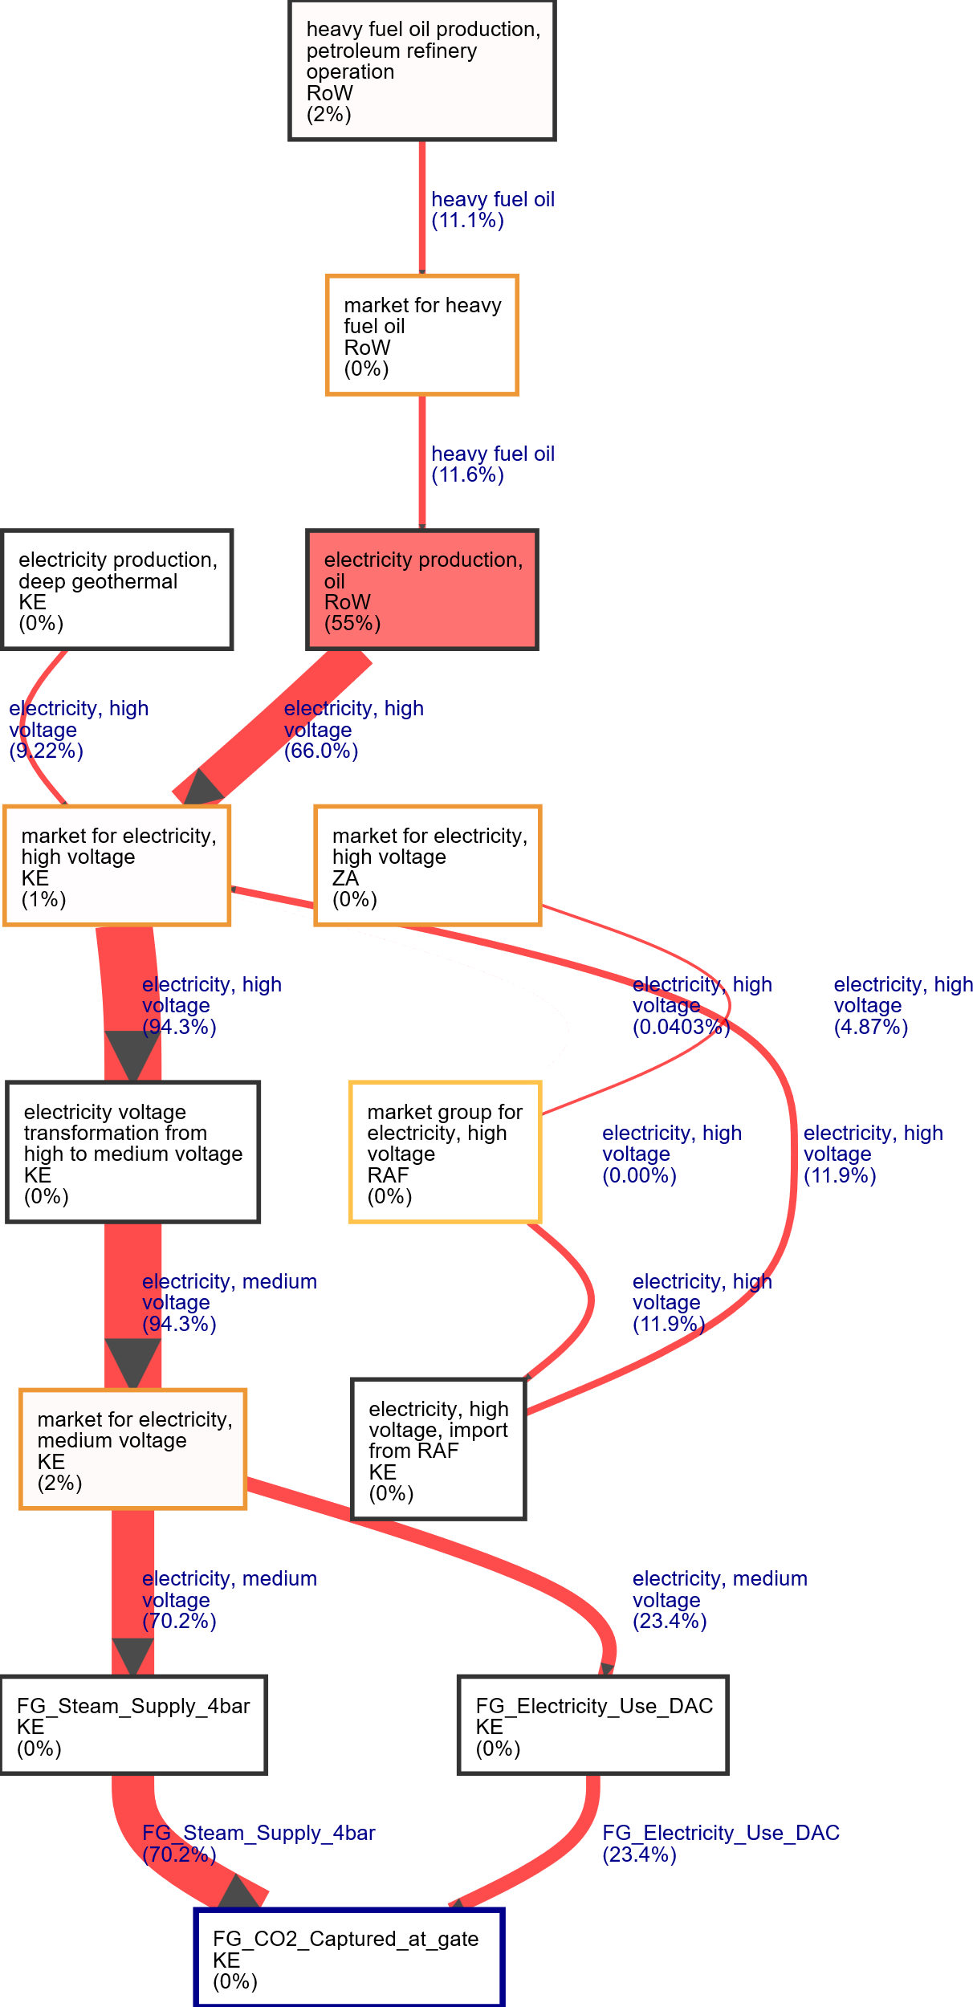

S2: Grid Elec + Geothermal Steam
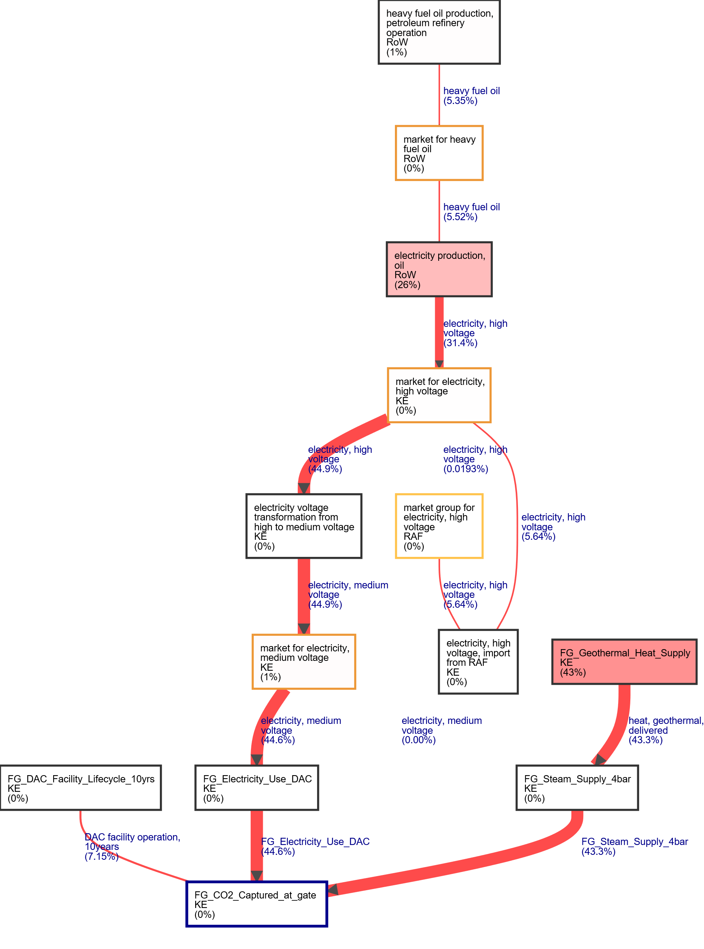

S3: Geothermal Elec + Geothermal Steam
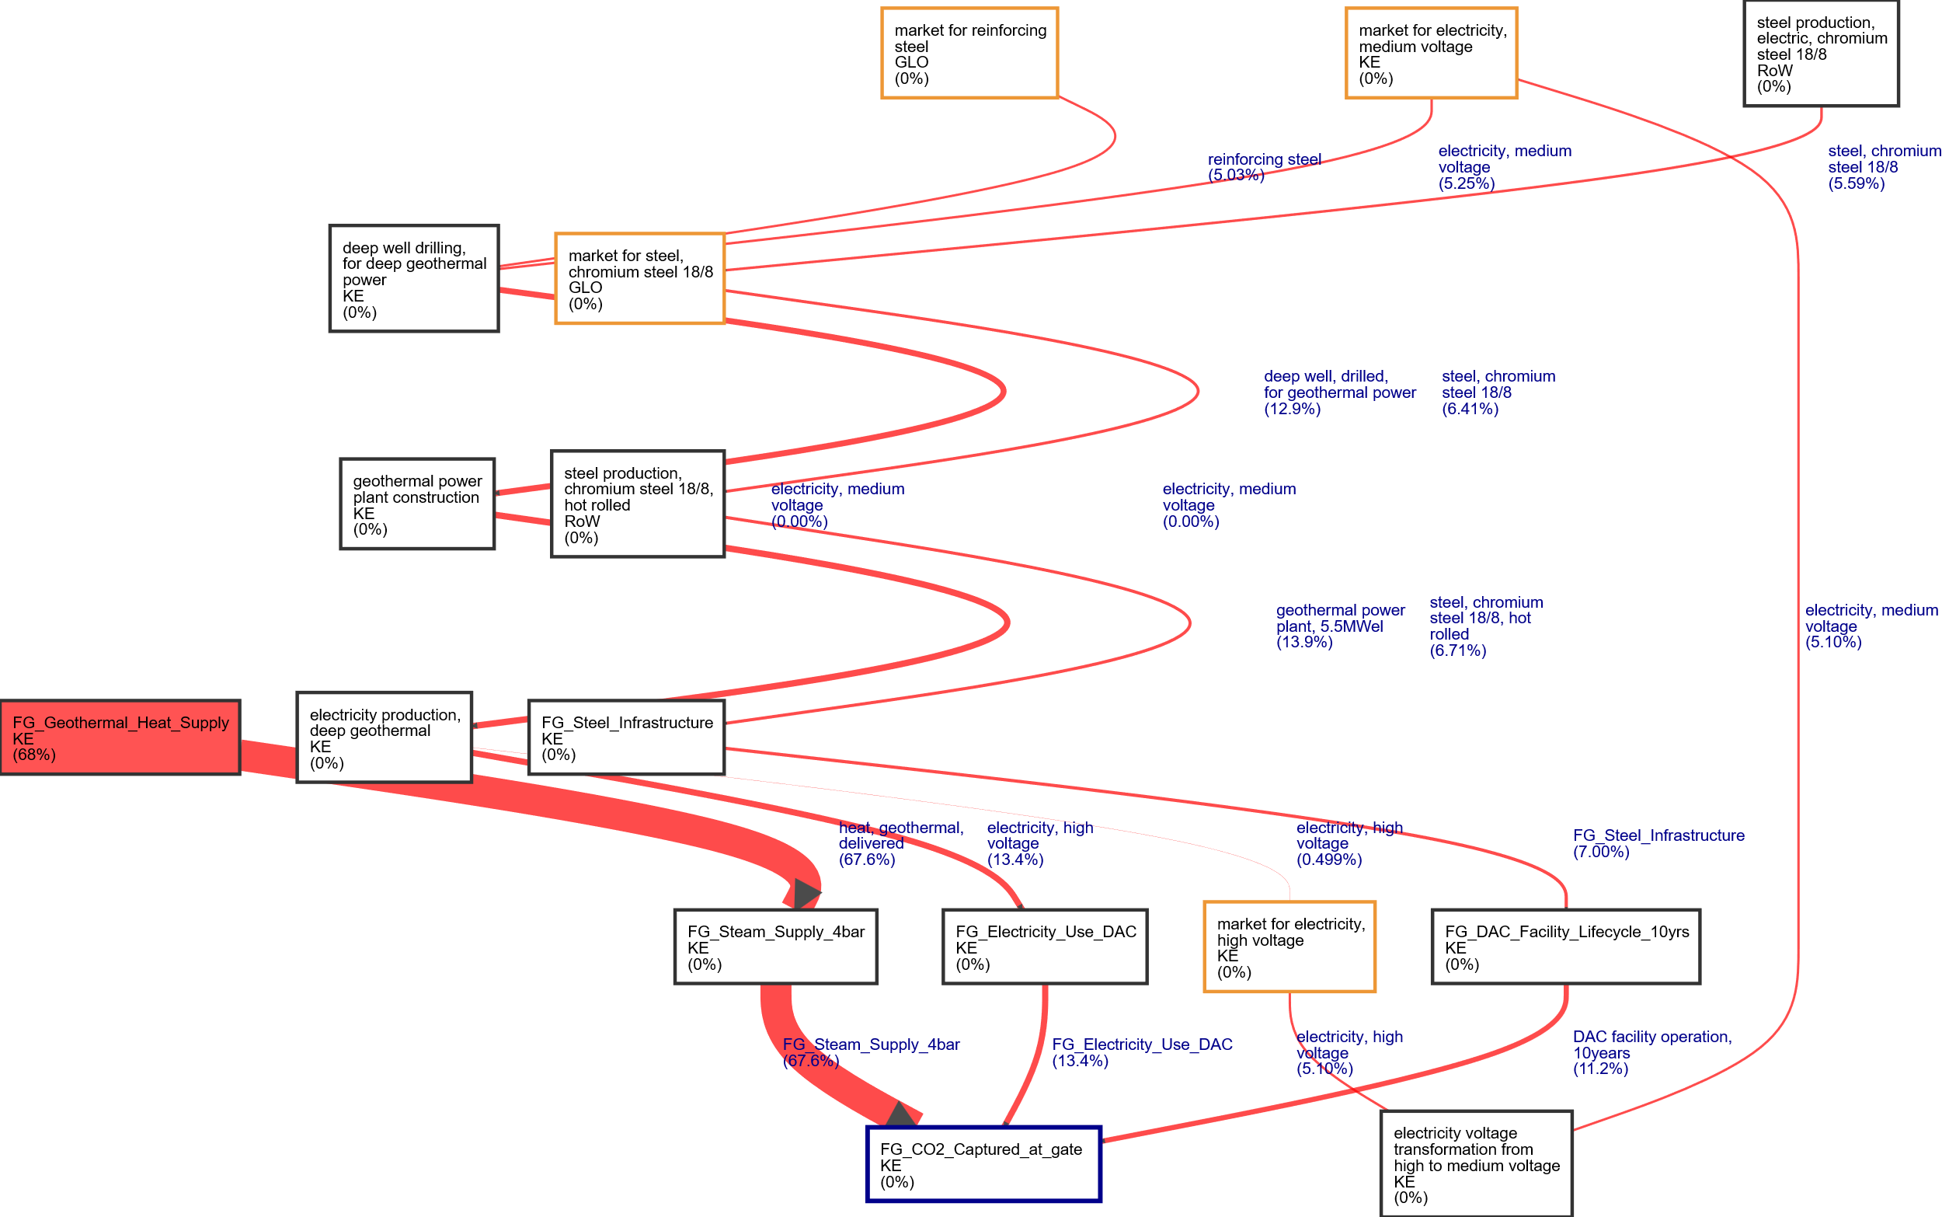

S4: Optimized Grid + Boiler
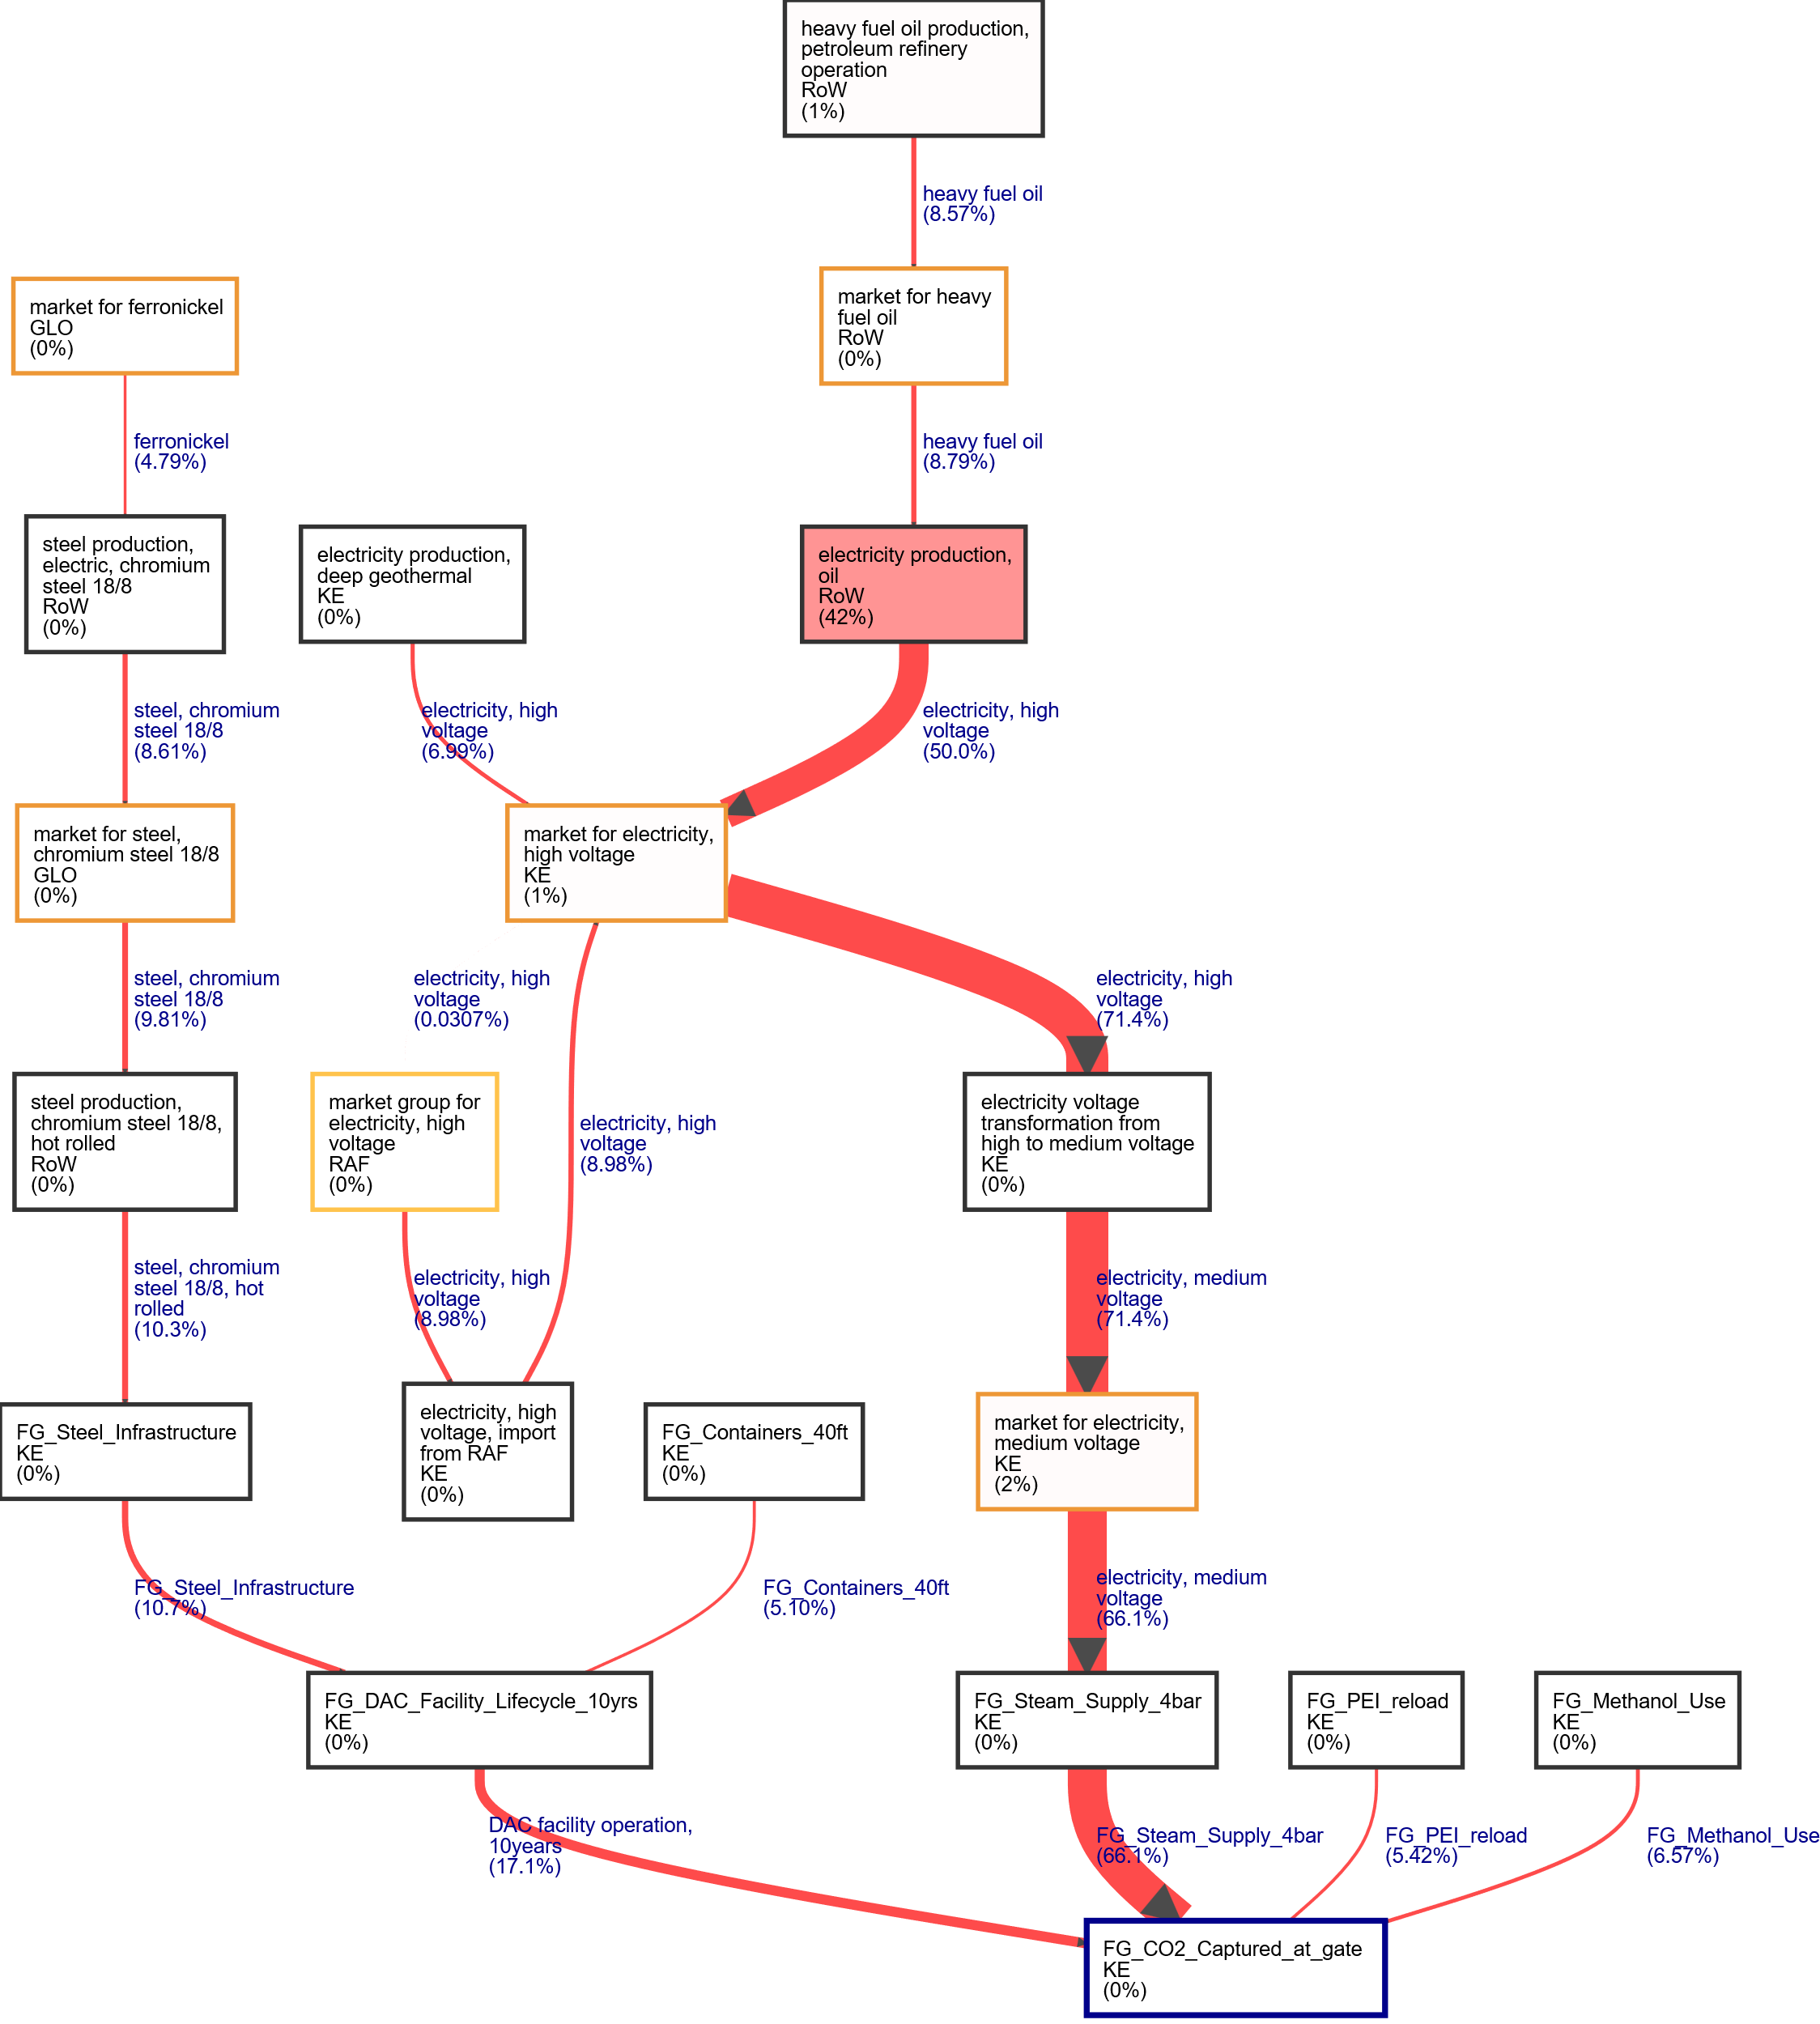

S5: Optimized Grid + Geothermal Steam
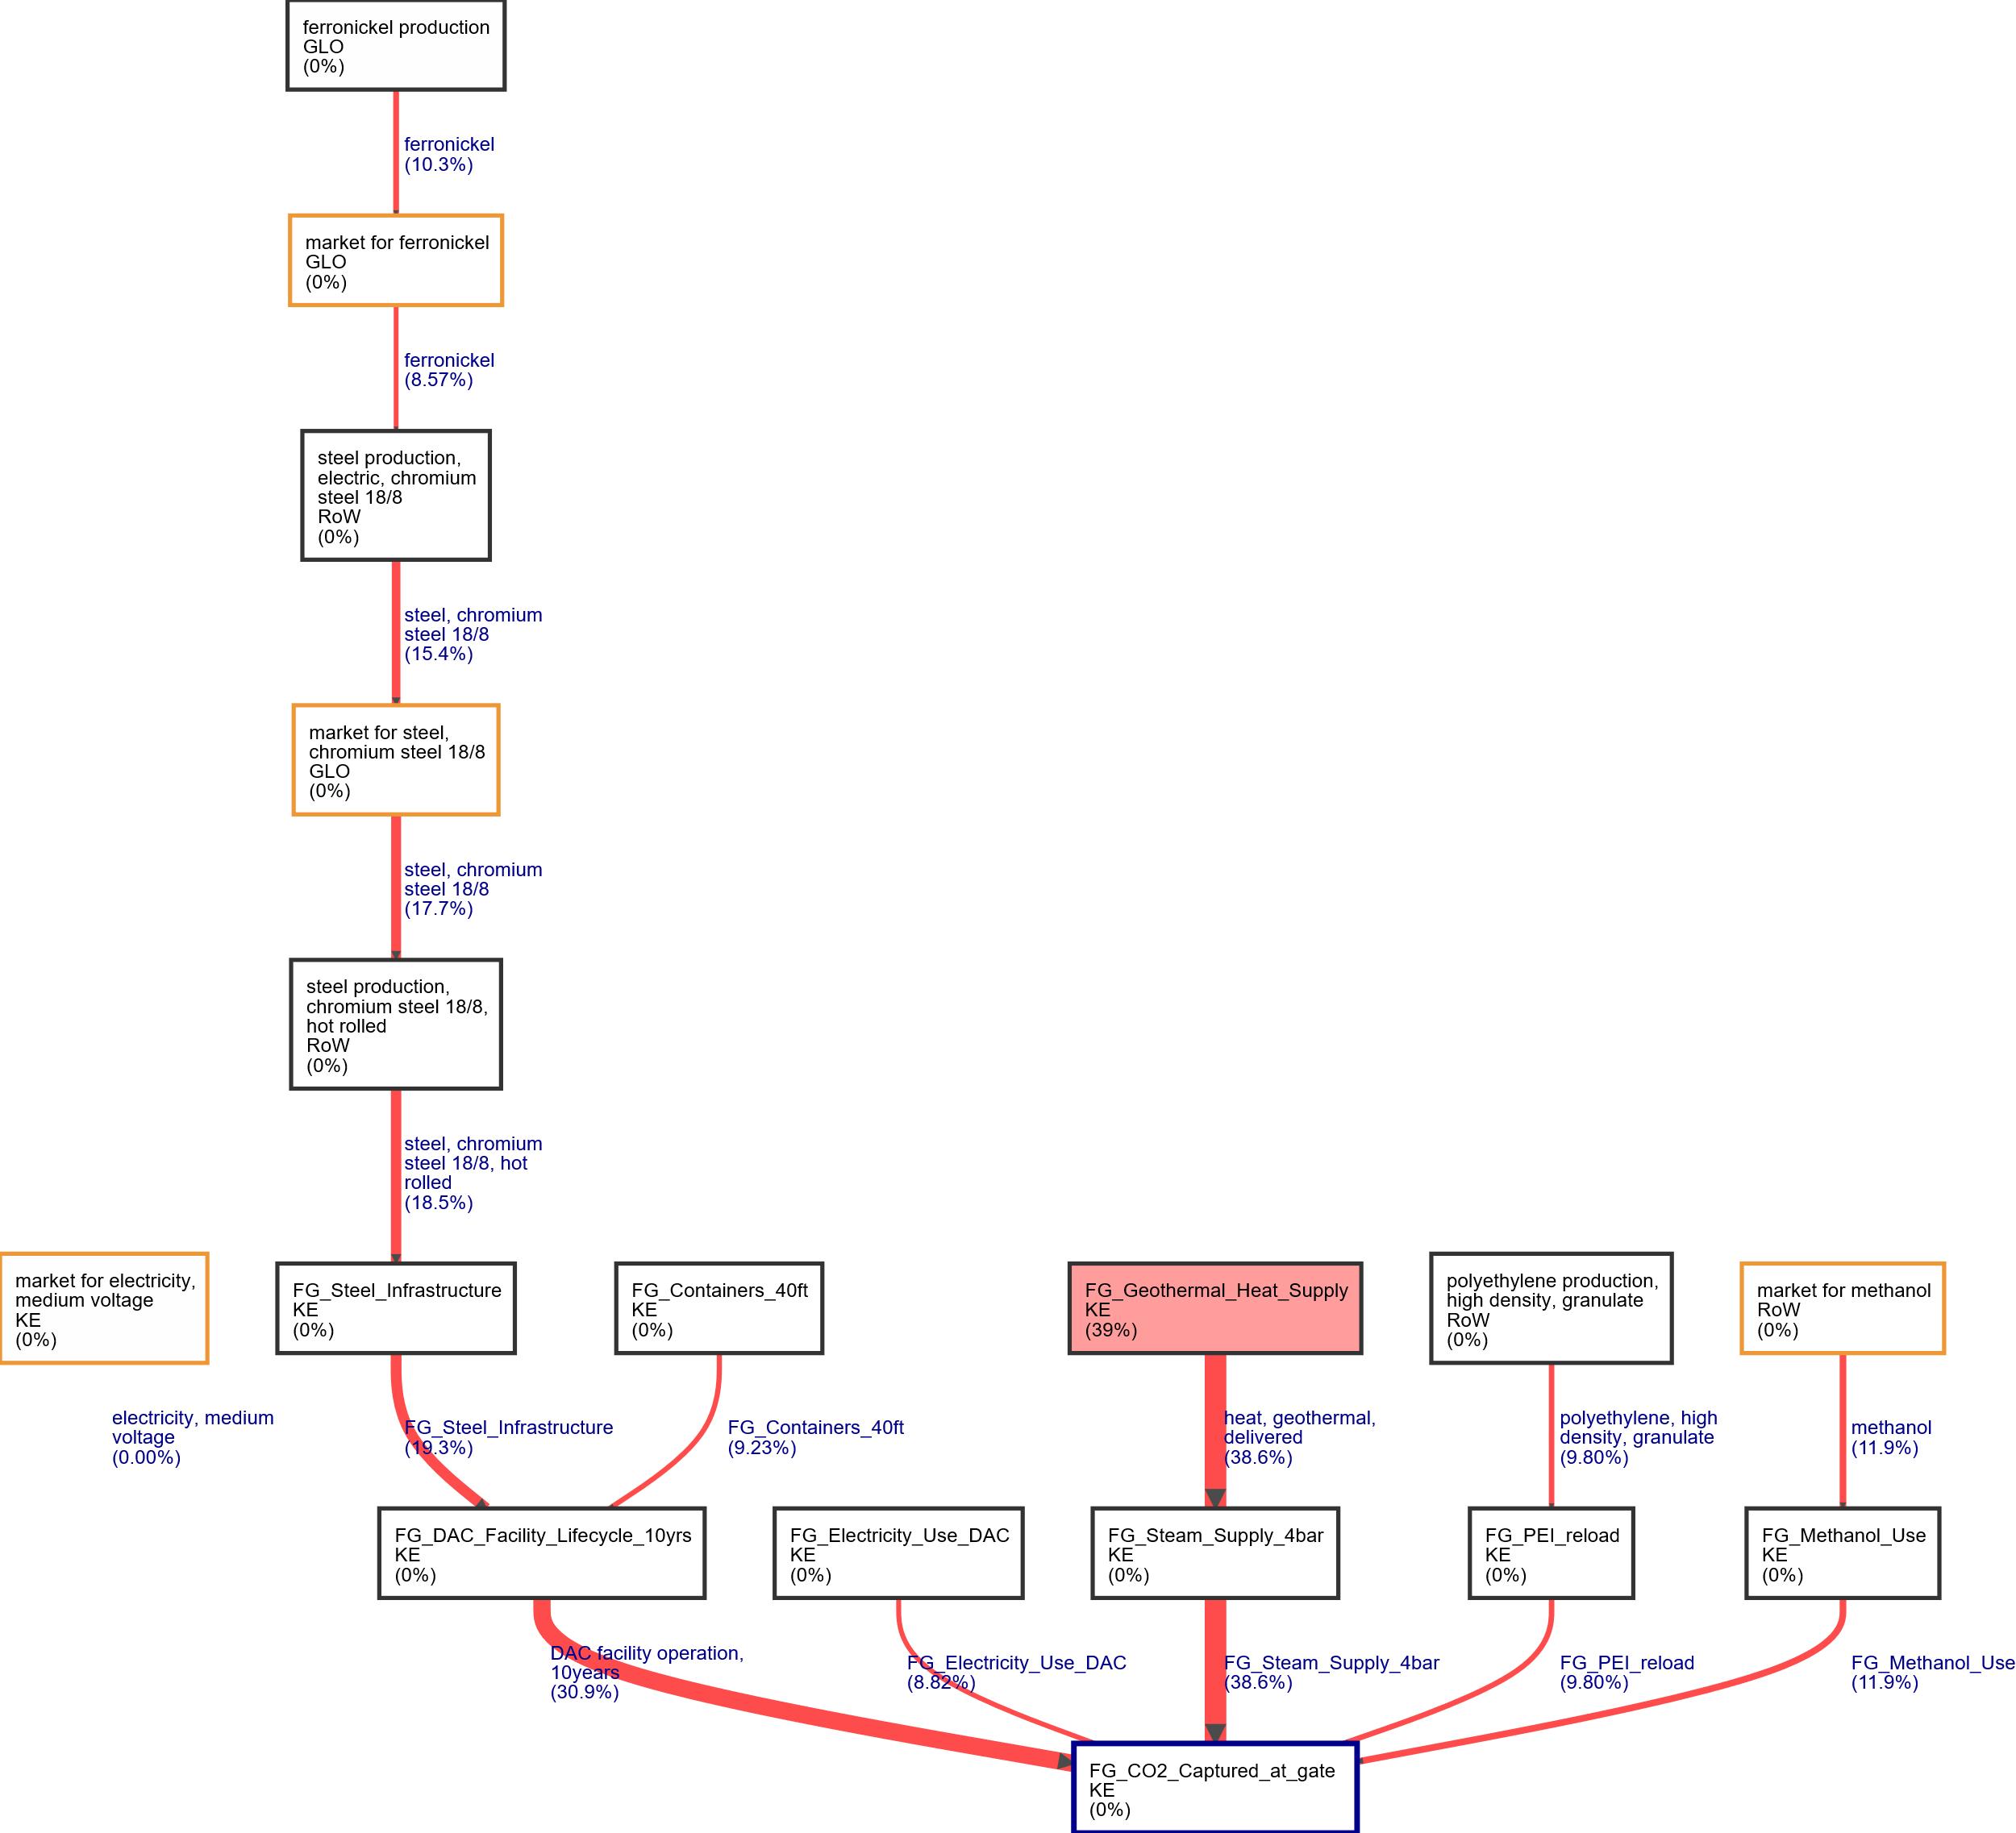

S6: Optimized Geo + Geo Steam

Monte Carlo Uncertainty
MONTE CARLO UNCERTAINTY ANALYSIS
30 iterations per scenario | Propagates ecoinvent parameter distributions | IPCC 2021 GWP100

WHAT THIS SHOWS: Each scenario was run 30 times with randomly sampled parameter values from ecoinvent uncertainty distributions.
WHY IT MATTERS: The deterministic result is a single "best estimate." Monte Carlo shows the range of plausible outcomes and your confidence in net-negative claims.
HOW TO READ: If most runs fall below 1.0, you can claim net-negative with high confidence. Wide spread = sensitive to background data assumptions.

SUMMARY STATISTICS
Scenario | Deterministic (kgCO₂eq/kgCO₂) | MC Mean | MC Std Dev | MC Min | MC Max | % Runs < 1.0 (Net Negative)
S1: Grid + Boiler | 4.8343 | 5.687 | 8.308 | -13.631 | 29.198 | 30%
S2: Grid + Geothermal | 2.0912 | 2.130 | 0.183 | 1.747 | 2.526 | 0%
S3: Geo Elec + Geo Steam | 1.9383 | 2.275 | 1.397 | 0.850 | 9.151 | 3%
S4: Opt Grid + Boiler | 1.2264 | 1.419 | 1.228 | -0.832 | 4.426 | 37%
S5: Opt Grid + Geo Steam | 0.6589 | 0.665 | 0.242 | -0.056 | 1.338 | 93%
S6: Opt Geo + Geo Steam | 0.6519 | 0.685 | 0.147 | 0.291 | 0.961 | 100%

Monte Carlo Runs — All Scenarios
Run # | S1 | S2 | S3 | S4 | S5 | S6
1 | -0.162 | 1.975 | 2.485 | 1.535 | 0.913 | 0.829
2 | 0.418 | 2.245 | 2.126 | -0.042 | 0.690 | 0.961
3 | 15.959 | 2.044 | 2.414 | 2.078 | 0.415 | 0.726
4 | 15.722 | 2.211 | 2.792 | 0.571 | 0.615 | 0.527
5 | -13.631 | 2.106 | 1.927 | 1.995 | -0.056 | 0.545
6 | -0.613 | 1.793 | 2.653 | 1.534 | 0.624 | 0.715
7 | 3.626 | 2.123 | 1.217 | 0.074 | 0.576 | 0.812
8 | 5.258 | 2.145 | 1.711 | 1.107 | 0.751 | 0.723
9 | 6.795 | 2.221 | 1.667 | 2.935 | 0.866 | 0.622
10 | 8.196 | 2.280 | 1.925 | 1.584 | 0.871 | 0.804
11 | 16.029 | 2.022 | 0.850 | 0.237 | 0.512 | 0.446
12 | -2.909 | 2.442 | 2.058 | 2.004 | 0.597 | 0.616
13 | 0.068 | 2.526 | 2.014 | 2.090 | 0.632 | 0.865
14 | 4.338 | 2.198 | 2.175 | 1.662 | 0.284 | 0.694
15 | 5.439 | 2.123 | 2.045 | 2.237 | 1.025 | 0.684
16 | 15.066 | 2.130 | 1.795 | 1.428 | 0.516 | 0.694
17 | 5.882 | 2.163 | 1.682 | -0.832 | 0.805 | 0.690
18 | 4.303 | 2.246 | 2.158 | 0.745 | 0.780 | 0.675
19 | -7.506 | 2.070 | 1.225 | -0.236 | 0.590 | 0.661
20 | 4.339 | 2.069 | 1.780 | 2.013 | 0.742 | 0.845
21 | 6.337 | 1.747 | 2.544 | 0.687 | 0.599 | 0.541
22 | 0.041 | 1.846 | 9.151 | 0.968 | 0.612 | 0.466
23 | 3.827 | 2.149 | 1.805 | 0.530 | 0.731 | 0.291
24 | 0.171 | 2.326 | 1.783 | 2.135 | 0.466 | 0.768
25 | 18.815 | 2.322 | 3.187 | 4.255 | 0.808 | 0.763
26 | 5.413 | 2.200 | 1.650 | 4.426 | 1.338 | 0.776
27 | 29.198 | 2.318 | 3.087 | 2.033 | 0.639 | 0.733
28 | 5.027 | 1.904 | 2.393 | 1.006 | 0.849 | 0.511
29 | 3.757 | 2.133 | 1.903 | -0.526 | 0.533 | 0.901
30 | 11.413 | 1.826 | 2.048 | 2.341 | 0.633 | 0.657

ACTIVITY BROWSER HISTOGRAMS (original outputs):

S1 Histogram
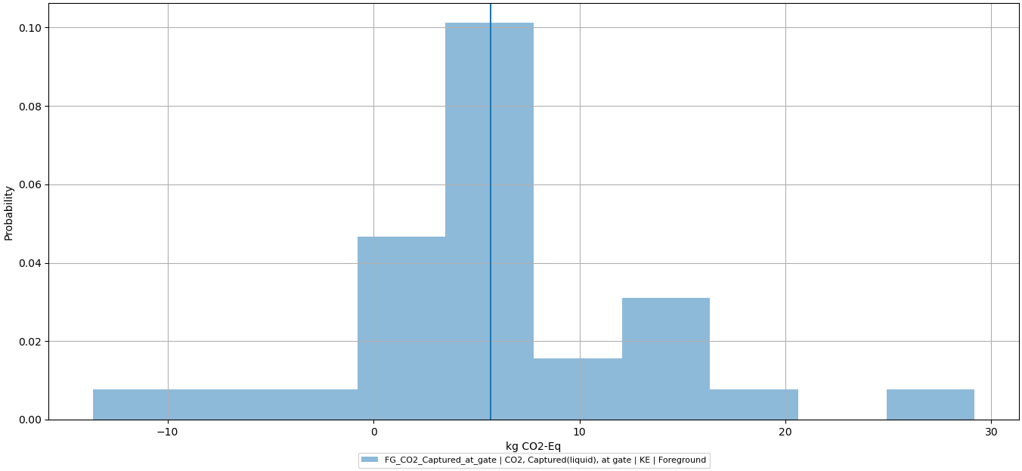

S2 Histogram
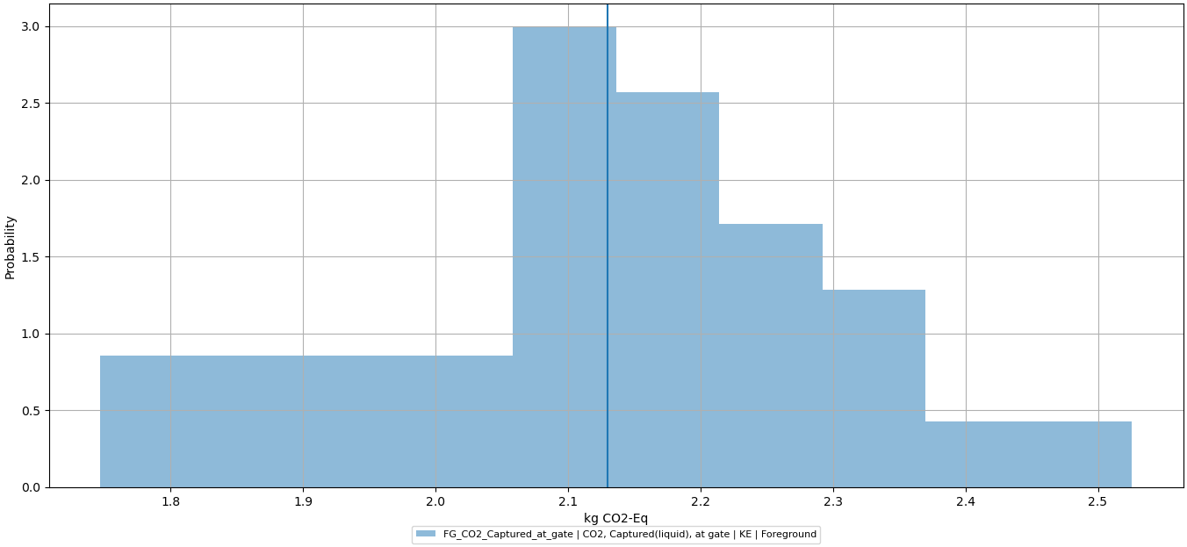

S3 Histogram
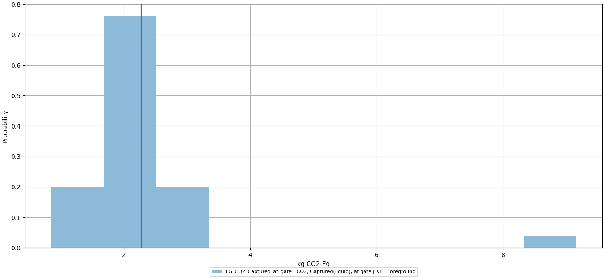

S4 Histogram
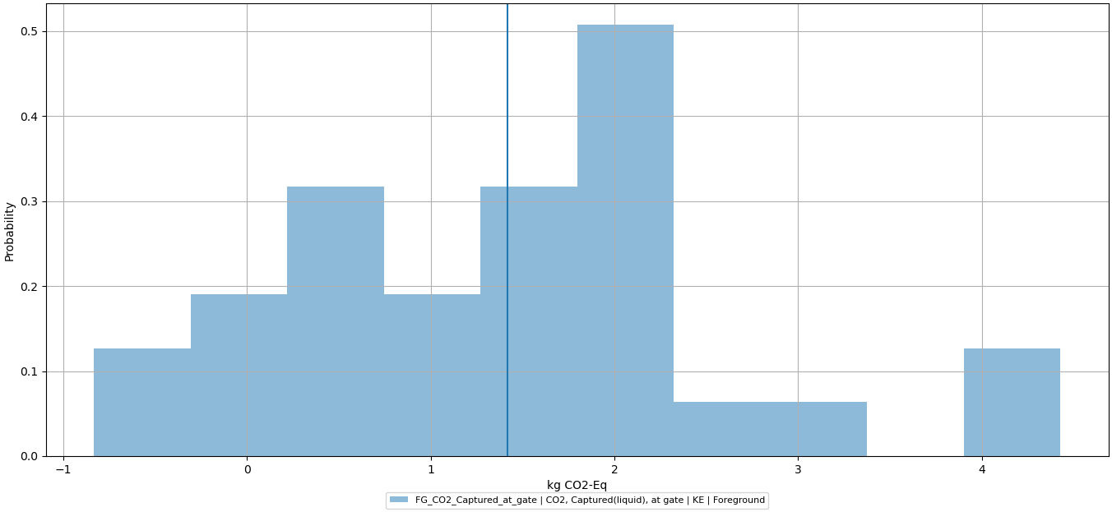

S5 Histogram

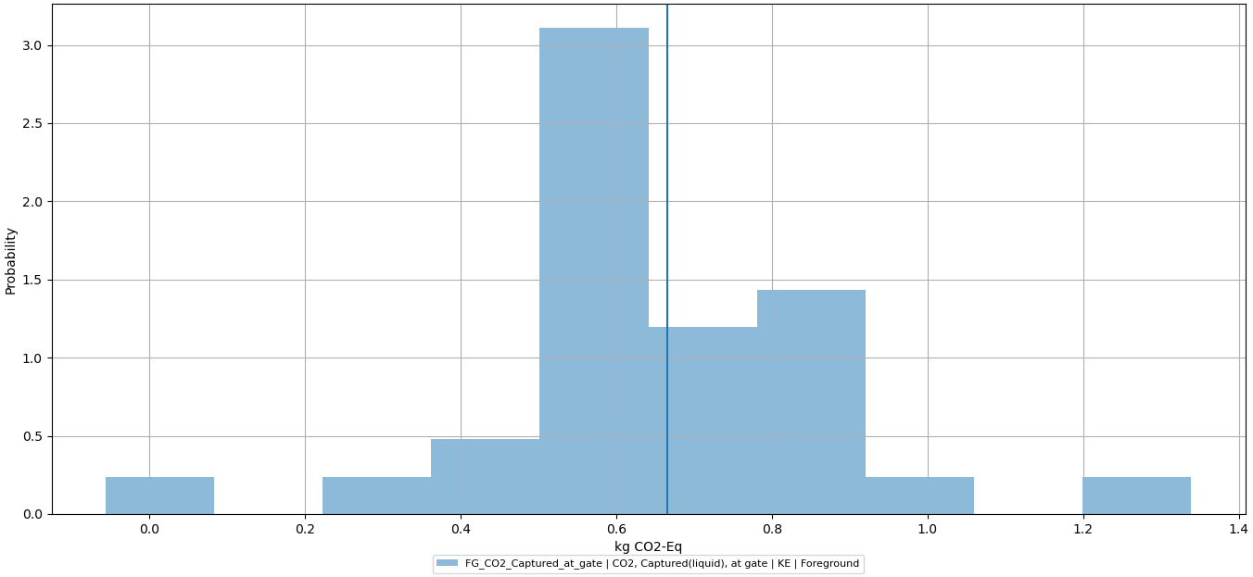

S6 Histogram

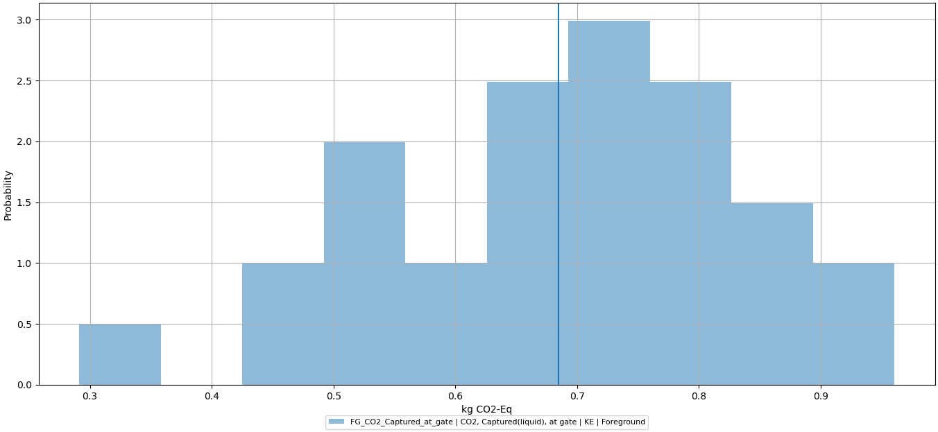

INTERPRETATION
1. S1 has extreme variance (σ=8.308) — the fossil fuel supply chain introduces massive uncertainty.
2. S6 is the most stable (σ=0.15) — geothermal energy has narrow uncertainty bands in ecoinvent.
3. MC mean for S6 (0.68) > deterministic (0.65) — use MC mean for conservative carbon accounting.
4. The "% < 1.0" column is your confidence level for net-negative claims.
5. LIMITATION: 30 iterations is low.

Credit Issuance
CARBON CREDIT ISSUANCE MODEL
Scenario S6 (Opt Geo+Geo, 0.652 kgCO₂eq/kgCO₂) |

THE PROBLEM: Your facility emits 221.79 tCO₂eq during construction before capturing anything. This "carbon debt" must be accounted for before issuing carbon removal credits. Two methods exist, each with different credibility implications.

ASSUMPTIONS (S6)
Annual gross capture | 100 tCO₂/yr
Annual operational emissions | 43.5 tCO₂eq/yr
Annual net removal (before embodied) | 56.5 tCO₂/yr
Total embodied emissions | 221.79 tCO₂eq
Embodied payback period | 3.93 years

YEAR-BY-YEAR COMPARISON (tCO₂)
Method / Year | Yr 0 (Build) | Yr 1 | Yr 2 | Yr 3 | Yr 4 | Yr 5 | Yr 6 | Yr 7 | Yr 8 | Yr 9 | Yr 10
A: AMORTIZE credits/yr | 0 | 34.32 | 34.32 | 34.32 | 34.32 | 34.32 | 34.32 | 34.32 | 34.32 | 34.32 | 34.32
A: Cumulative credits | 0 | 34.3 | 68.6 | 103 | 137.3 | 171.6 | 205.9 | 240.2 | 274.6 | 308.9 | 343.2

B: PAYBACK FIRST credits/yr | 0 | 0 | 0 | 0 | 4.21 | 56.5 | 56.5 | 56.5 | 56.5 | 56.5 | 56.5
B: Cumulative credits | 0 | 0 | 0 | 0 | 4.2 | 60.7 | 117.2 | 173.7 | 230.2 | 286.7 | 343.2
Cumulative Carbon Credits Issued — 2 Approaches
 | A: Amortize | B: Payback First | C: Upfront Deduct
Yr 0 (Build) | 0 | 0 | 1
Yr 1 | 34.3 | 0
Yr 2 | 68.6 | 0
Yr 3 | 103 | 0
Yr 4 | 137.3 | 4.2
Yr 5 | 171.6 | 60.7
Yr 6 | 205.9 | 117.2
Yr 7 | 240.2 | 173.7
Yr 8 | 274.6 | 230.2
Yr 9 | 308.9 | 286.7
Yr 10 | 343.2 | 343.2

METHOD EXPLANATIONS
A: AMORTIZE (Climeworks method)
Spread 221.79 tCO₂eq evenly over 10 years (22.18 t/yr deduction). Issue credits from year 1. Simple and immediate revenue, BUT: Calyx Global downgraded Climeworks to Tier 3 (lowest) partly because of this approach. Risk: if plant shuts down early, issued credits exceed actual net removal.

B: PAYBACK FIRST (Calyx/Meta recommended)
Issue zero credits until cumulative net removal equals embodied debt (221.79 t). First credits in year 4. Zero revenue for ~4 years, BUT: guarantees atmosphere has genuinely benefited at every point. Highest market credibility. Recommended for new projects.

